Steering Radius
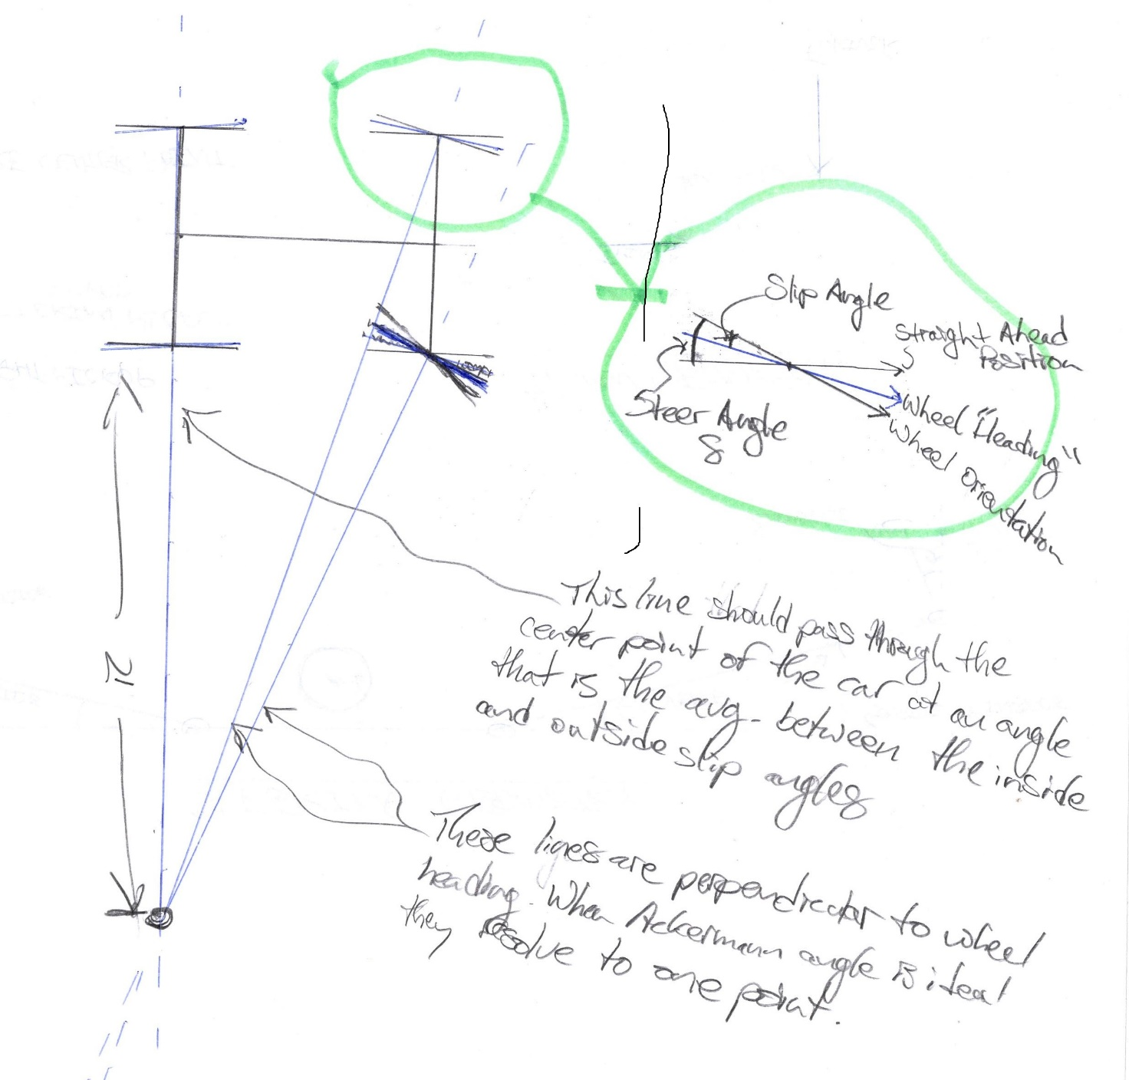
VARIABLE |  | UNITS | VARIABLE |  | UNITS
Wheelbase | 1.55 | m | CG X-Location | 0.8 | m
Rear Track | 1.196 | m | CG Y-Location | 0 | m
Front Track | 1.231 | m | Rear Inside Fx | 1000 | N
Rear Inside Slip Angle | 3.1 | deg. | Rear Inside Fy | 1200 | N
Rear Outside Slip Angle | 4.4 | deg. | Rear Inside Mz | 50 | N.m
Front Inside Slip Angle | 7.2 | deg. | Rear Outside Fx | 1500 | N
Front Outside Slip Angle | 8.8 | deg. | Rear Outside Fy | 2000 | N
Turn Radius | 4 | m | Rear Outside Mz | 50 | N.m
REQUIRED GEOMETRY |  |  | Front Inside Fx | 1000 | N
Inside Steering Angle | 24.62 | deg. | Front Inside Fy | 1400 | N
Outside Steering Angle | 22.23 | deg. | Front Inside Mz | 50 | N.m
Ackermann Angle | 2.38 | deg. | Front Outside Fx | 1300 | N
 |  |  | Front Outside Fy | 1700 | N
 |  |  | Front Outside Mz | 50 | N.m
Sources of Inaccuracy |  |  | Aerodynamic Mz | 80 | N.m
What slip angles should be used? |  |  | Yaw Moment | 8075.65 | N.m

**Trig stuff - don't worry about what these are** |  |  | **Counterclockwise Rotation is Positive**
Rear Angle | 3.75 | deg. | **CG X-Location is distance from back of car to CG**
Rear y dist to center | 4.598 | m | **Positive CG Y is towards the outside of the car**
Rear x dist | 0.30050978917 | m | M1 | 598
Front inside x dist | 1.2494902108 | m | M2 | 960
front inside y dist | 3.9825 | m | M3 | 897
front outside x dist | 1.2494902108 | m | M4 | 1600
front outside y dist | 5.231 | m | M5 | 615.5
front inside w/o slip | 17.418998255 | deg. | M6 | 1050
front outside w/o slip | 13.434097913 | deg. | M7 | 800.15
 |  |  | M8 | 1275

S.S. Steering Effort
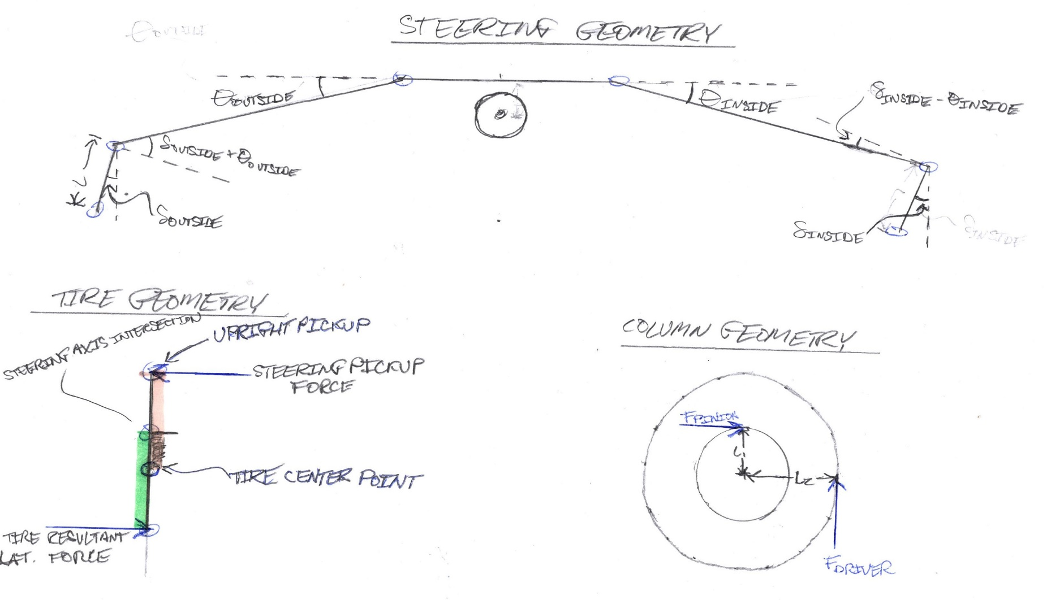
VARIABLE | OUTSIDE TIRE | INSIDE TIRE | UNITS
Mz | 100 | 80 | N.m
Pneumatic Trail | 0.03 | 0.03 | m
Mechanical Trail | 0.04 | 0.04 | m
Steering Pickup Length | 0.055 |  | m
Steer Angle (δ) | 20 | 25 | deg.
Tie-Rod Length | 0.35 |  | m
Tie-Rod Angle (θ) | 18 | 14 | deg.
Pinion Gear Pitch Radius | 0.018 |  | m
Steering Wheel Width | 0.12 |  | m
SYSTEM FORCES
Resultant Lateral Force on Tire | 1428.57 | 1142.86 | N
Force on Upright Pickup | 1818.18 | 1454.55 | N
Tie-Rod Force | 1819.29 | 1871.65 | N
Axial Force at Rack Clevis | 1730.25 | 1816.05 | N
Transverse Force at Rack Clevis | 562.19 | 452.79 | N
Axial Force Reacted By Pinion | 3546.30 |  | N
Force at Wheel | 531.95 |  | N

Sources of Inaccuracy
Where do Mz's and pneumatic trail come from?

